12 Volatility Graph
 |  |  |  |  | 77.73

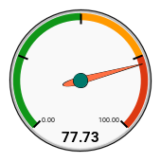
1st Deviation - Upper Range | $78,861 | Monthly Range (Swing) | $44,141

Average Mthly Sales | $56,791 | Average Mthly Swing % | 77.7%

1st Deviation - Lower Range | $34,720 | Predicted Growth Rate % (yr2) | -14.9%
 |  |  |  | Average Mthly Swing

18 Volatility Graph
 |  |  |  |  | 85.12

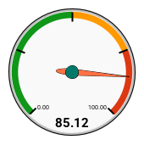
1st Deviation - Upper Range | $85,289
 |  | Monthly Range (Swing) | $50,924
Average Mthly Sales | $59,827
 |  | Average Mthly Swing % | 85.1%
1st Deviation - Lower Range | $34,365
 |  |  |  | Average Mthly Swing

24 Volatility Graph
 |  |  |  |  | 95.13

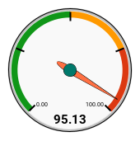
1st Deviation - Upper Range | $92,663 | Monthly Range (Swing) | $59,737

Average Mthly Sales | $62,795 | Average Mthly Swing % | 95.1%

1st Deviation - Lower Range | $32,926 | Predicted Growth Rate % (yr3) | -11.6%
 |  |  |  | Average Mthly Swing

